Reporting Details
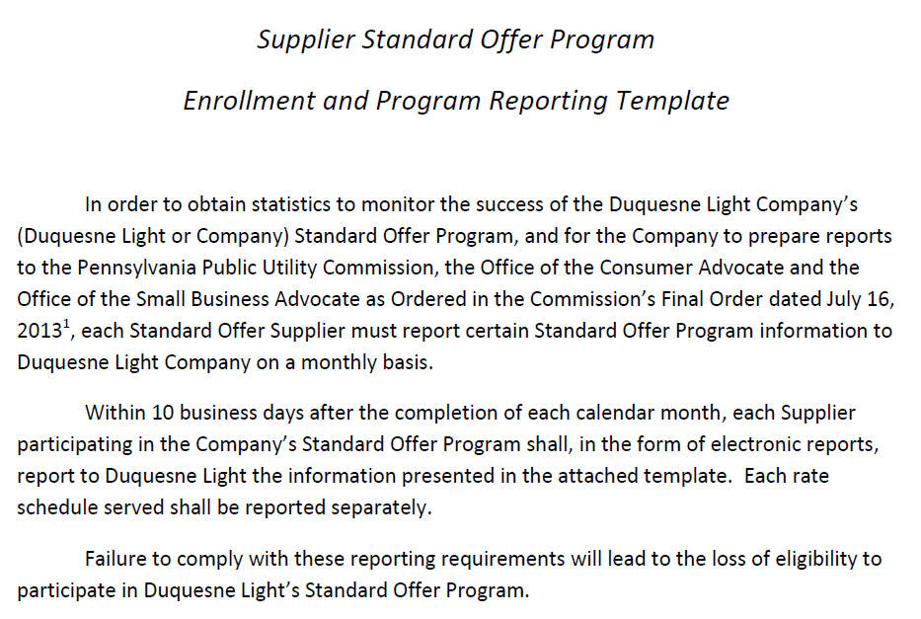

See Docket #P-2012-2301664

http://www.customer-choice.com/StandardOffer/default.cfm
http://supplier.customer-choice.com/Supplier/Shopping_Credits/shopping_credits.cfm

Program Schedule
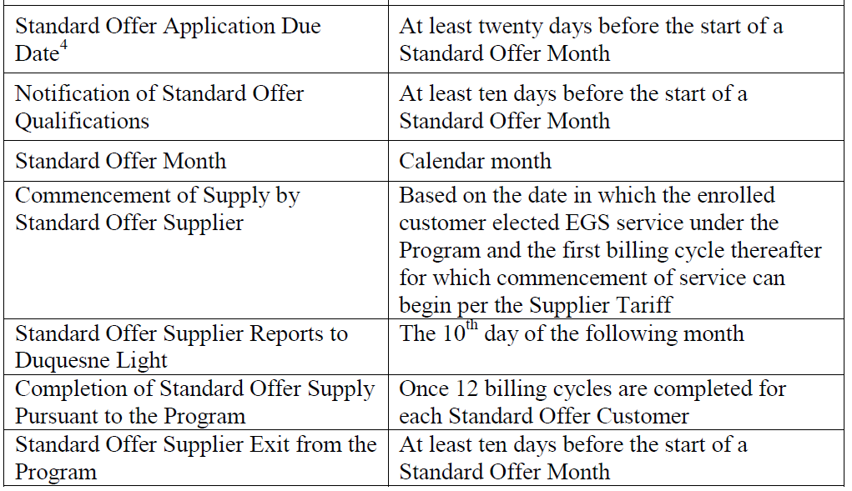

RS
Supplier Service Center
DLC_SSC@duqlight.com
412-393-6282

Standard Offer Program Supplier Report
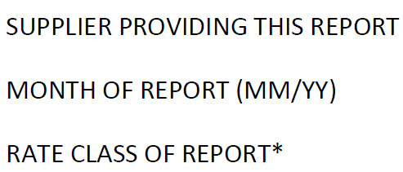
 | Supplier Name | DUNs

 | MM/YY | Supplier ID

 | RS-Residential Service

*A separate report must be completed and provided to Duquesne Light Company for each rate schedule served.

